Sheet1
 | Component | Purpose | Derived Data | Number | Specifications |  | Placement | Part Name | Vendors | Part Links | Price | Accuracy | Output Type | Manufacturer Lead Time | Current Supply | Voltage - Supply | Operating Temperature | Datasheet | Ref Links
1 | Load cells (Parallelogram Bending beam type) | Measure Torque, Thrust | Mechanical power Electrical power Propeller efficiency Motor efficiency System efficiency | 6 | Max thrust | 5 kgf / 11.023 lb | 1 or more load cells (summed) at a rigid frame directly below the drone, aligned vertically. | TAL220B - SEN-14729 Miniature Load Cell - 5 kg | Digikey | https://www.digikey.in/en/products/detail/sparkfun-electronics/SEN-14729/9555603 | ₹1,086.86 | ±0.05% | Analog | 6 Weeks |  | 3V ~ 10V | -10°C ~ 55°C | https://cdn.sparkfun.com/assets/e/5/f/5/6/TAL220B.pdf | digikey, mouser, rs components
 |  |  |  |  | Max torque | 2 Nm / 19.6 kgm / 43.211 lbm | 2 load cells positioned on opposite sides of the motor shaft, alligned horizontally, captures pure torque. | TAL220B - SEN-14729 Miniature Load Cell - 2 kg | Digikey | https://www.digikey.in/en/products/detail/sparkfun-electronics/SEN-14729/9555603 |  |  |  |  |  |  |  |  | http://www.lct2003.com/load-cell/lct-digital-load-cell.html | IP65
 |  |  |  |  | Max voltage | 50 -60 V
 |  |  |  |  | Max current (continuous) | 55 A
 |  |  |  |  | Measurement rate | Up to 80 Hz |  |  |  |  |  |  |  |  |  |  |  |  | https://randomnerdtutorials.com/arduino-load-cell-hx711/
2 | Load Cell Amplifier HX711 | Measure Torque, Thrust |  | 6 |  |  |  | 1568-1436-ND SEN-13879 | Digikey | https://www.digikey.in/en/products/detail/sparkfun-electronics/SEN-13879/6202732 | ₹907.1 |  | Digital |  | 1.5 mA | 2.6V ~ 5.5V | -45°C ~ 85°C
3 | Optical Tachometer using IR sensor | Measure RPM of motor |  | 2 |  |  | On the testbench behind the motor |  | Robu | https://robu.in/product/ir-infrared-obstacle-avoidance-sensor-module/ | ₹ 28.00 |  |  |  |  |  |  |  | https://www.instructables.com/DIY-Tachometer-RPM-Meter/ https://www.youtube.com/watch?v=6QZMt4yyylU
4 | Reflective Tapes |  |  | 3 |  |  | On the motor in field of view of tachometer |  | Amazon | https://www.amazon.in/dp/B0C5VMMDSR/ref=sspa_dk_detail_1?ie=UTF8&psc=1&pd_rd_i=&pd_rd_i=B0C5VMMDSRp13NParams&sp_csd=d2lkZ2V0TmFtZT1zcF9kZXRhaWxfdGhlbWF0aWM | ₹ 150
6 | Arduino | Microcontroller |  | 2 |  |  |  | Arduino Uno | Robu | https://robu.in/product/original-arduino-uno-rev3-smd/ | ₹ 1,899.00 |  |  | Within a week |  |  |  |  |  |  | No.5, 1st “B” Cross
7 | Arduino shield |  |  | 2 |  |  |  |  | Robu | https://robu.in/product/proto-screw-shield-assembled/ | ₹ 204.00 |  |  | Within a week |  |  |  |  |  |  | Vijaya Bank Colony Extension, Horamavu
9 | Voltmeter Ammeter | Measures Current consumed and Voltage supply |  | 2 | Range | 0-100 V output 1-100A Output | In power supply cable | I - Hall effect sensors V- Voltmeter High frequency recorders | Amazon | https://www.amazon.in/Scriptronics-Voltmeter-Ammeter-Multimeter-Detector/dp/B08MWRZP2G/ref=sr_1_6?crid=15VE4BPQV4MZE&keywords=Amp%2BPanel%2BMeter&qid=1685940406&sprefix=amp%2Bpanel%2Bmeter%2Caps%2C981&sr=8-6&th=1 | ₹ 599.00 |  |  | 2 days |  | 5 V DC |  |  |  |  | +1800-258-5357+91 9986033204www.wika.ininfo@wika.co.in
 |  |  |  |  |  |  |  |  | Robu | https://robu.in/product/0-28-inch-digital-voltmeter-ammeter-dc-100v-100a-led-amp-volt-meter-shunt-red-blue/ | ₹ 690.00
11 | M/M Jumper Wires | Wiring to Arduino |  | 2 |  |  |  |  |  | https://www.digikey.in/en/products/detail/sparkfun-electronics/PRT-12795/5993860?s=N4IgTCBcDaIAoCUAqBaAjGA7ATgKwgF0BfIA | ₹ 173.96
12 | Male Headers Pack- Break-Away |  |  | 1 |  |  |  |  |  | https://www.digikey.in/en/products/detail/sullins-connector-solutions/PRPC040SAAN-RC/2775214?s=N4IgTCBcDaIAoCU4GEAMAWVBlAgjgcgLQLIgC6AvkA | ₹ 54.67
13 | Solderless Breadboard | Circuit connections |  | 1 |  |  |  |  |  | https://www.digikey.in/en/products/detail/global-specialties/GS-830/5231309
14 | AC/DC WALL MOUNT ADAPTER 12V 24W | To power Arduino Uno |  | 1 |  |  |  |  |  | https://www.digikey.in/en/products/detail/phihong-usa/PSAC24A-120L6/5418494
15 | PCB Prototype Board | Circuit connections |  | 1 |  |  |  | 4 x 6 cm Universal PCB Prototype Board Double-Side -2pcs |  | https://robu.in/product/46-cm-universal-pcb-prototype-board-double-sided/
5 | Temperature Sensor | Measure temperature of motor, ESC, battery, ambient |  | 8 | Range | -55°C to +125°C |  | DS18B20 Temperature Sensor with Arduino | Robu | https://robu.in/product/ds18b20-temperature-sensor-module/ https://robu.in/product/ds18b20-waterproof-temperature-sensor-for-sonoff-th10a-th16a/ | ₹ 94.00 | ±0.5°C Accuracy from -10°C to +85°C Programmable Resolution from 9 Bits to 12 Bits | Digital |  |  |  |  | https://www.analog.com/media/en/technical-documentation/data-sheets/DS18B20.pdf | https://randomnerdtutorials.com/guide-for-ds18b20-temperature-sensor-with-arduino/
10 | Benchtop supply | Upto 1200 W, max 60 V, 30 A current |  | 1 | Voltage output | 3.3, 5, 12, -12V |  | FSP1200-50ADB | Digikey | https://www.digikey.in/en/products/detail/fsp-technology-inc/FSP1200-50ADB/16164267?s=N4IgTCBcDaIEYFMB2BjAFgFwPYAcAEAzgK444A2AnngIxgAMdeA6iALoC%2BQA | 23857.92 |  |  | 20 weeks |  |  |  | https://www.fsp-group.com/download/pro/FSP1200-50ADB_Datasheet.pdf
 |  |  |  |  | Current Output | 30, 30, 100A, 800mA
8 | ESC (Electronic Speed Control) | Control power given to motor and hence its speed |  | 1 |  |  | Between battery and motor in the circuit, processor controls the ESC |  |  | https://youtu.be/G9PHqN9vmVI https://youtu.be/W9IHEqlGG1s |  |  |  | Back EMF, Calibration of v and i - loadbank, Controller |  |  |  |  |  |  | Bangalore – 560 043
 | Back EMF | To calculate rpm | Supplied voltage - (Current* internal resistance of motor) | Motor Speed = Back EMF/(Constant*Magnetic Flux); N = Eb/(K*Φ) |  |  | 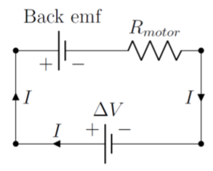 |  |  | 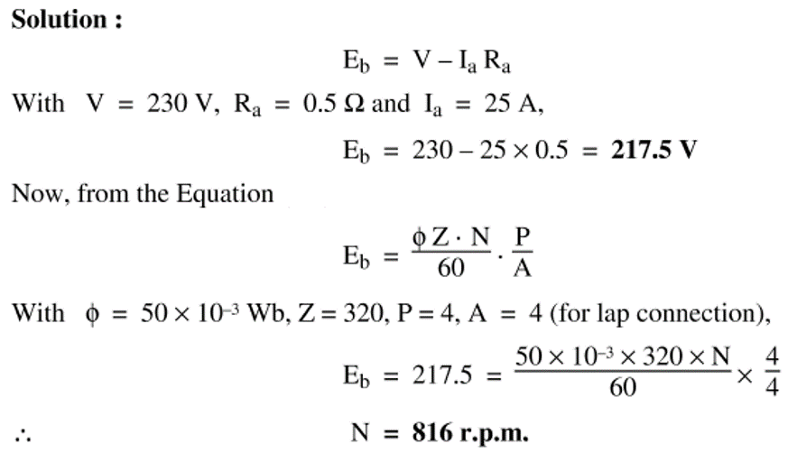 | Electrical RPM, divide by the number of motor poles to obtain true mechanical RPM. |  | https://phys.libretexts.org/Bookshelves/University_Physics/Book%3A_Introductory_Physics_-_Building_Models_to_Describe_Our_World_(Martin_Neary_Rinaldo_and_Woodman)/23%3A_Electromagnetic_Induction/23.03%3A_Back_EMF_in_an_electric_motor https://www.calculatoratoz.com/en/shunt-dc-motor-speed-using-back-emf-calculator/Calc-3227#:~:text=Motor%20Speed%20%3D%20Back%20EMF%2F%20%28Constant%2AMagnetic%20Flux%29%20N,%3D%20Eb%2F%20%28K%2A%CE%A6%29%20This%20formula%20uses%204%20Variables https://youtu.be/On9jgL5pAB0
 |  | To calculate Acceleration using RPM | A = RPM * pi * 2 / 60 * r
 |  |  | r = radius
 | Vibration sensors
7 | Thermocouple | Measure temperature of motor, ESC, battery, ambient |  | 4 | Range | (-40 to 85) | Attached externally to propeller and internally to motor |  |  | https://www.mouser.in/ProductDetail/Smiths-Interconnect-IDI/THERMOCOUPLE-PROBE-TYPE-T-RED-BLUE?qs=Du1Eq8qdouoRJ7ZOuPnMtQ%3D%3D |  |  |  |  |  |  |  |  |  |  | WIKA Instruments India Pvt. Ltd. (Bangalore Office)
8 | Amplifier for Thermocouple |  |  | 4 | Range | (-40 to 125) |  | MAX31855TASA+ |  | https://www.digikey.in/en/products/detail/analog-devices-inc-maxim-integrated/MAX31855TASA/2754401 | ₹ 874.79 |  | Digital | 30 weeks |  | 0.3V to +4.0V |  | https://www.analog.com/media/en/technical-documentation/data-sheets/max31855.pdf | https://randomnerdtutorials.com/arduino-k-type-thermocouple-max6675/ |  | Branch Manager

5 | Hall Sensor | Measure RPM of motor |  | 1 |  |  | On the testbench behind the motor | Honeywell ss461A | Digikey | https://www.digikey.in/en/products/detail/honeywell-sensing-and-productivity-solutions/SS461A/701358 | ₹ 462.25 |  | Open Collector | 10 weeks | 10mA | 3.8V ~ 30V | -40°C ~ 150°C (TA) | https://prod-edam.honeywell.com/content/dam/honeywell-edam/sps/siot/en-us/products/sensors/magnetic-sensors/common/documents/sps-siot-hall-effect-digital-position-ics-ss400-series-ss500-series-datasheet-32320997-b-en-ciid-143161.pdf
6 | Neodymium Magnet |  |  | 3 |  |  | attached to motor shaft | 8008 | Digikey | https://www.digikey.in/en/products/detail/radial-magnets-inc/8008/2810361

 | https://www.circuito.io/app?components=245,245,245,9442,11021,13879,13879,13879,250754,811437

